Print Page 1
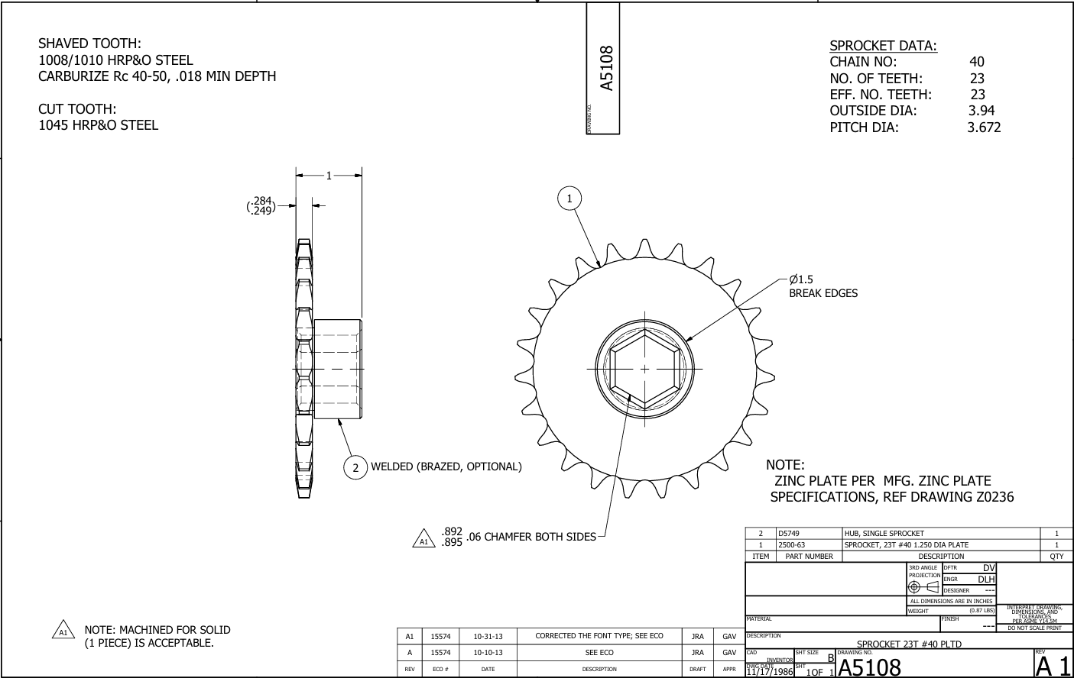

6

5

1

2
3

7
4

